DASHBOARD
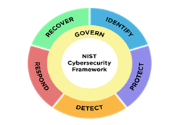

NIST CSF 2.0 Cybersecurity Framework Scorecard
GOVERNANCE | 0%
IDENTIFY | 0%
PROTECT | 0%
DETECT | 0%
RESPOND | 0%
RECOVER | 0%
Progress Status
 | Percentage
In Progress | 0%
Closed | 0%
On Hold | 0%
Past Due | 0%
Select Answer | 100%

Maturity by Catagory
 | Maturity
GOVERNANCE | 0%
IDENTIFY | 0%
PROTECT | 0%
DETECT | 0%
RESPOND | 0%
RECOVER | 0%
Findings Status
 | Percentage
Yes | 0%
No | 0%
Under Investigation | 0%
N/A | 0%
Select Answer | 100%

Maturity by Subatagory
 | Maturity
GV.OC | 0%
GV.OV | 0%
GV.PO | 0%
GV.RM | 0%
GV.RR | 0%
GV.SC | 0%
ID.AM | 0%
ID.RA | 0%
ID.IM | 0%
PR.AA | 0%
PR.AT | 0%
PR.DS | 0%
PR.PS | 0%
PR.IR | 0%
DE.CM | 0%
DE.AE | 0%
RS.MA | 0%
RS.AN | 0%
RS.CO | 0%
RS.MI | 0%
RC.RP | 0%
RC.CO | 0%
Risk Status
 | Percentage
Critical | 0%
High | 0%
Medium | 0%
Low | 0%
Insignificant | 0%
Select Answer | 100%

